Datailed Inquiry Information
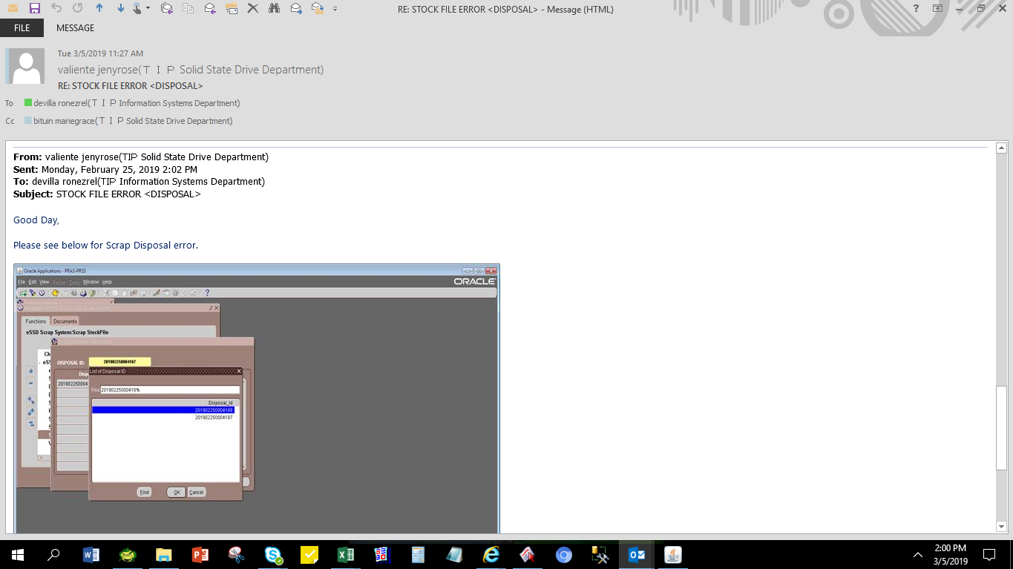
Detailed Inquiry Information

Actual Operation Evidence
Actual Operation Evidence

select *
from TIP_ESD_SCP_TAGS_STOCKPILE
where 1=1
and disposal_id = '201902250004187'
DISPOSAL_ID | ORGANIZATION_ID | TAG_NUMBER | PARTS_CODE | DESCRIPTION | MODEL | DEFECT_TYPE | TRANS_DATE | TRANS_QTY | STOCKIN_BY | STOCKIN_DATE | STOCKOUT_BY | STOCKOUT_DATE | DISPOSE_BY | DISPOSE_DATE | DISPOSAL_FLAG | STATUS
201902250004187 | 125 | T0000008972 | GM9003216020 | Screw/Exp | Phoenix-M3 | Others | 2/23/2019 | 20000 | 10845 | 2/25/2019 1:03:58 PM | 10845 | 2/25/2019 1:11:48 PM |  |  | N | PRINTED
201902250004187 | 125 | T0000008973 | GM9011961010 | Label/Exp | Phoenix-M3 | Erased Character | 2/23/2019 | 9216 | 10845 | 2/25/2019 1:03:58 PM | 10845 | 2/25/2019 1:11:48 PM |  |  | N | PRINTED
201902250004187 | 125 | T0000008974 | GM9029346010 | Label/Exp | Phoenix-M3 | Erased Character | 2/23/2019 | 594 | 10845 | 2/25/2019 1:03:58 PM | 10845 | 2/25/2019 1:11:48 PM |  |  | N | PRINTED
201902250004187 | 125 | T0000008975 | GM9029354010 | Label/Exp | Phoenix-M3 | Erased Character | 2/23/2019 | 964 | 10845 | 2/25/2019 1:03:58 PM | 10845 | 2/25/2019 1:11:48 PM |  |  | N | PRINTED
201902250004187 | 125 | T0000008976 | GM9029522010 | Label/Exp | Phoenix-M5 | Erased Character | 2/23/2019 | 3185 | 10845 | 2/25/2019 1:03:58 PM | 10845 | 2/25/2019 1:11:48 PM |  |  | N | PRINTED
201902250004187 | 125 | T0000008977 | GM9029954010 | Label/Exp | Phoenix-M3 | Erased Character | 2/23/2019 | 169 | 10845 | 2/25/2019 1:03:58 PM | 10845 | 2/25/2019 1:11:48 PM |  |  | N | PRINTED
201902250004187 | 125 | T0000008978 | GM9029955010 | Label/Exp | Phoenix-M3 | Erased Character | 2/23/2019 | 176 | 10845 | 2/25/2019 1:03:58 PM | 10845 | 2/25/2019 1:11:48 PM |  |  | N | PRINTED
201902250004187 | 125 | T0000008979 | GM9030544020 | Label/Exp | Phoenix-M3 | Erased Character | 2/23/2019 | 265 | 10845 | 2/25/2019 1:03:58 PM | 10845 | 2/25/2019 1:11:48 PM |  |  | N | PRINTED
201902250004187 | 125 | T0000008990 | GM9039724010 | Label/Exp | Phoenix-M3 | Rework (Unpacking) | 2/23/2019 | 223 | 10845 | 2/25/2019 1:03:58 PM | 10845 | 2/25/2019 1:11:48 PM |  |  | N | PRINTED
201902250004187 | 125 | T0000008991 | GM9039919010 | Conductivity Bag/Exp | Condor-M3 AIC | Damaged | 2/23/2019 | 48 | 10845 | 2/25/2019 1:03:58 PM | 10845 | 2/25/2019 1:11:48 PM |  |  | N | PRINTED
201902250004187 | 125 | T0000008992 | GM9041500010 | Assy Plate/Exp | Phoenix-M5 | Dent | 2/23/2019 | 45 | 10845 | 2/25/2019 1:03:58 PM | 10845 | 2/25/2019 1:11:48 PM |  |  | N | PRINTED
201902250004187 | 125 | T0000008993 | GM9041500020 | Assy Plate/Exp | Phoenix-M5 | Dent | 2/23/2019 | 44 | 10845 | 2/25/2019 1:03:58 PM | 10845 | 2/25/2019 1:11:48 PM |  |  | N | PRINTED
201902250004187 | 125 | T0000008994 | GM9041501010 | Assy Plate/Exp | Phoenix-M5 | Scratch | 2/23/2019 | 65 | 10845 | 2/25/2019 1:03:58 PM | 10845 | 2/25/2019 1:11:48 PM |  |  | N | PRINTED
201902250004187 | 125 | T0000008995 | GM9041501020 | Assy Plate/Exp | Phoenix-M5 | Scratch | 2/23/2019 | 47 | 10845 | 2/25/2019 1:03:58 PM | 10845 | 2/25/2019 1:11:48 PM |  |  | N | PRINTED
201902250004187 | 125 | T0000008996 | GM9041506010 | Screw/Exp | Phoenix-M5 | Others | 2/23/2019 | 1000 | 10845 | 2/25/2019 1:03:58 PM | 10845 | 2/25/2019 1:11:48 PM |  |  | N | PRINTED
201902250004187 | 125 | T0000008997 | GM9041511010 | Seal Tape/Exp | Phoenix-M5 | Others | 2/23/2019 | 112 | 10845 | 2/25/2019 1:03:58 PM | 10845 | 2/25/2019 1:11:48 PM |  |  | N | PRINTED
201902250004187 | 125 | T0000008998 | GM9041512010 | Label/Exp | Phoenix-M5 | Rework (Unpacking) | 2/23/2019 | 4993 | 10845 | 2/25/2019 1:03:58 PM | 10845 | 2/25/2019 1:11:48 PM |  |  | N | PRINTED
201902250004187 | 125 | T0000008999 | GM9041515010 | TC Sheet/Exp | Phoenix-M5 | Others | 2/23/2019 | 3363 | 10845 | 2/25/2019 1:03:58 PM | 10845 | 2/25/2019 1:11:49 PM |  |  | N | PRINTED
201902250004187 | 125 | T0000009000 | GM9042083010 | Assy Plate/Exp | Condor-M5 AIC | Dent | 2/23/2019 | 10 | 10845 | 2/25/2019 1:03:58 PM | 10845 | 2/25/2019 1:11:49 PM |  |  | N | PRINTED
201902250004187 | 125 | T0000009001 | GM9042087010 | Assy Plate/Exp | Condor-M5 AIC | Dent | 2/23/2019 | 1 | 10845 | 2/25/2019 1:03:58 PM | 10845 | 2/25/2019 1:11:49 PM |  |  | N | PRINTED
201902250004187 | 125 | T0000009002 | GM9M0000L010 | Assy Plate/Exp | Raven-M5 | Dent | 2/23/2019 | 6 | 10845 | 2/25/2019 1:03:58 PM | 10845 | 2/25/2019 1:11:49 PM |  |  | N | PRINTED
201902250004187 | 125 | T0000009003 | GM9S0001S010 | Conductivity Bag/Exp | Phoenix-M4 | Rework (Unpacking) | 2/23/2019 | 1983 | 10845 | 2/25/2019 1:03:58 PM | 10845 | 2/25/2019 1:11:49 PM |  |  | N | PRINTED
201902250004187 | 125 | T0000009004 | A5A004248030 | PCB/Exp | Phoenix-M4 | PCB Repair NG | 2/23/2019 | 203 | 10845 | 2/25/2019 1:03:58 PM | 10845 | 2/25/2019 1:11:49 PM |  |  | N | PRINTED
201902250004187 | 125 | T0000009005 | A5A004248210 | PCB/Exp | Phoenix-M4 | PCB Repair NG | 2/23/2019 | 7 | 10845 | 2/25/2019 1:03:58 PM | 10845 | 2/25/2019 1:11:49 PM |  |  | N | PRINTED
201902250004187 | 125 | T0000009006 | A5A004248410 | PCB/Exp | Phoenix-M4 | PCB Repair NG | 2/23/2019 | 76 | 10845 | 2/25/2019 1:03:58 PM | 10845 | 2/25/2019 1:11:49 PM |  |  | N | PRINTED
201902250004187 | 125 | T0000009007 | A5A004248610 | PCB/Exp | Phoenix-M4 | PCB Repair NG | 2/23/2019 | 10 | 10845 | 2/25/2019 1:03:58 PM | 10845 | 2/25/2019 1:11:49 PM |  |  | N | PRINTED
201902250004187 | 125 | T0000009008 | A5A004249030 | PCB/Exp | Phoenix-M4 | PCB Repair NG | 2/23/2019 | 203 | 10845 | 2/25/2019 1:03:58 PM | 10845 | 2/25/2019 1:11:49 PM |  |  | N | PRINTED
201902250004187 | 125 | T0000009009 | A5A004249210 | PCB/Exp | Phoenix-M4 | PCB Repair NG | 2/23/2019 | 7 | 10845 | 2/25/2019 1:03:58 PM | 10845 | 2/25/2019 1:11:49 PM |  |  | N | PRINTED
201902250004187 | 125 | T0000009010 | A5A004249410 | PCB/Exp | Phoenix-M4 | PCB Repair NG | 2/23/2019 | 76 | 10845 | 2/25/2019 1:03:58 PM | 10845 | 2/25/2019 1:11:49 PM |  |  | N | PRINTED
201902250004187 | 125 | T0000009011 | A5A004249610 | PCB/Exp | Phoenix-M4 | PCB Repair NG | 2/23/2019 | 10 | 10845 | 2/25/2019 1:03:58 PM | 10845 | 2/25/2019 1:11:49 PM |  |  | N | PRINTED
201902250004187 | 125 | T0000009012 | A5A004250030 | PCB/Exp | Phoenix-M4 | PCB Repair NG | 2/23/2019 | 22 | 10845 | 2/25/2019 1:03:58 PM | 10845 | 2/25/2019 1:11:49 PM |  |  | N | PRINTED
201902250004187 | 125 | T0000009013 | A5A004250110 | PCB/Exp | Phoenix-M4 | PCB Repair NG | 2/23/2019 | 47 | 10845 | 2/25/2019 1:03:58 PM | 10845 | 2/25/2019 1:11:49 PM |  |  | N | PRINTED
201902250004187 | 125 | T0000009014 | A5A004250410 | PCB/Exp | Phoenix-M4 | PCB Repair NG | 2/23/2019 | 42 | 10845 | 2/25/2019 1:03:58 PM | 10845 | 2/25/2019 1:11:49 PM |  |  | N | PRINTED
201902250004187 | 125 | T0000009015 | A5A004250610 | PCB/Exp | Phoenix-M4 | PCB Repair NG | 2/23/2019 | 29 | 10845 | 2/25/2019 1:03:58 PM | 10845 | 2/25/2019 1:11:49 PM |  |  | N | PRINTED
201902250004187 | 125 | T0000009016 | A5A004373210 | PCB/Exp | Phoenix-M5 | PCB Repair NG | 2/23/2019 | 3 | 10845 | 2/25/2019 1:03:58 PM | 10845 | 2/25/2019 1:11:49 PM |  |  | N | PRINTED
201902250004187 | 125 | T0000009017 | A5A004373310 | PCB/Exp | Phoenix-M5 | PCB Repair NG | 2/23/2019 | 2 | 10845 | 2/25/2019 1:03:58 PM | 10845 | 2/25/2019 1:11:49 PM |  |  | N | PRINTED
201902250004187 | 125 | T0000009018 | A5A0043733N0 | PCB/Exp | Phoenix-M5 | PCB Repair NG | 2/23/2019 | 3 | 10845 | 2/25/2019 1:03:58 PM | 10845 | 2/25/2019 1:11:49 PM |  |  | N | PRINTED
201902250004187 | 125 | T0000009019 | A5A004373410 | PCB/Exp | Phoenix-M5 | PCB Repair NG | 2/23/2019 | 7 | 10845 | 2/25/2019 1:03:58 PM | 10845 | 2/25/2019 1:11:49 PM |  |  | N | PRINTED
201902250004187 | 125 | T0000009020 | A5A0043737F0 | PCB/Exp | Phoenix-M5 | PCB Repair NG | 2/23/2019 | 1 | 10845 | 2/25/2019 1:03:58 PM | 10845 | 2/25/2019 1:11:49 PM |  |  | N | PRINTED
201902250004187 | 125 | T0000009021 | A5A004385110 | PCB/Exp | Phoenix-M5 | PCB Repair NG | 2/23/2019 | 5 | 10845 | 2/25/2019 1:03:58 PM | 10845 | 2/25/2019 1:11:49 PM |  |  | N | PRINTED
201902250004187 | 125 | T0000009022 | A5A0043855F0 | PCB/Exp | Phoenix-M5 | PCB Repair NG | 2/23/2019 | 3 | 10845 | 2/25/2019 1:03:58 PM | 10845 | 2/25/2019 1:11:49 PM |  |  | N | PRINTED
201902250004187 | 125 | T0000009023 | A5A0043857F0 | PCB/Exp | Phoenix-M5 | PCB Repair NG | 2/23/2019 | 2 | 10845 | 2/25/2019 1:03:58 PM | 10845 | 2/25/2019 1:11:49 PM |  |  | N | PRINTED
201902250004187 | 125 | T0000009024 | A5A004386020 | PCB/Exp | Phoenix-M5 | PCB Repair NG | 2/23/2019 | 4 | 10845 | 2/25/2019 1:03:58 PM | 10845 | 2/25/2019 1:11:49 PM |  |  | N | PRINTED
201902250004187 | 125 | T0000009025 | A5A0043860J0 | PCB/Exp | Phoenix-M5 | PCB Repair NG | 2/23/2019 | 3 | 10845 | 2/25/2019 1:03:58 PM | 10845 | 2/25/2019 1:11:49 PM |  |  | N | PRINTED
201902250004187 | 125 | T0000009026 | A5A004386110 | PCB/Exp | Phoenix-M5 | PCB Repair NG | 2/23/2019 | 2 | 10845 | 2/25/2019 1:03:58 PM | 10845 | 2/25/2019 1:11:49 PM |  |  | N | PRINTED

SELECT *
FROM APPS.TIP_ESD_SCP_TAGS_STOCKPILE
WHERE DISPOSAL_ID = '201902250004187'
AND STOCKOUT_DATE < TO_DATE('02/25/2019 1:11:49 PM','MM/DD/YYYY HH:MI:SS AM');
DISPOSAL_ID | ORGANIZATION_ID | TAG_NUMBER | PARTS_CODE | DESCRIPTION | MODEL | DEFECT_TYPE | TRANS_DATE | TRANS_QTY | STOCKIN_BY | STOCKIN_DATE | STOCKOUT_BY | STOCKOUT_DATE | DISPOSE_BY | DISPOSE_DATE | DISPOSAL_FLAG | STATUS
201902250004187 | 125 | T0000008972 | GM9003216020 | Screw/Exp | Phoenix-M3 | Others | 2/23/2019 | 20000 | 10845 | 2/25/2019 1:03:58 PM | 10845 | 2/25/2019 1:11:48 PM |  |  | N | PRINTED
201902250004187 | 125 | T0000008973 | GM9011961010 | Label/Exp | Phoenix-M3 | Erased Character | 2/23/2019 | 9216 | 10845 | 2/25/2019 1:03:58 PM | 10845 | 2/25/2019 1:11:48 PM |  |  | N | PRINTED
201902250004187 | 125 | T0000008974 | GM9029346010 | Label/Exp | Phoenix-M3 | Erased Character | 2/23/2019 | 594 | 10845 | 2/25/2019 1:03:58 PM | 10845 | 2/25/2019 1:11:48 PM |  |  | N | PRINTED
201902250004187 | 125 | T0000008975 | GM9029354010 | Label/Exp | Phoenix-M3 | Erased Character | 2/23/2019 | 964 | 10845 | 2/25/2019 1:03:58 PM | 10845 | 2/25/2019 1:11:48 PM |  |  | N | PRINTED
201902250004187 | 125 | T0000008976 | GM9029522010 | Label/Exp | Phoenix-M5 | Erased Character | 2/23/2019 | 3185 | 10845 | 2/25/2019 1:03:58 PM | 10845 | 2/25/2019 1:11:48 PM |  |  | N | PRINTED
201902250004187 | 125 | T0000008977 | GM9029954010 | Label/Exp | Phoenix-M3 | Erased Character | 2/23/2019 | 169 | 10845 | 2/25/2019 1:03:58 PM | 10845 | 2/25/2019 1:11:48 PM |  |  | N | PRINTED
201902250004187 | 125 | T0000008978 | GM9029955010 | Label/Exp | Phoenix-M3 | Erased Character | 2/23/2019 | 176 | 10845 | 2/25/2019 1:03:58 PM | 10845 | 2/25/2019 1:11:48 PM |  |  | N | PRINTED
201902250004187 | 125 | T0000008979 | GM9030544020 | Label/Exp | Phoenix-M3 | Erased Character | 2/23/2019 | 265 | 10845 | 2/25/2019 1:03:58 PM | 10845 | 2/25/2019 1:11:48 PM |  |  | N | PRINTED
201902250004187 | 125 | T0000008990 | GM9039724010 | Label/Exp | Phoenix-M3 | Rework (Unpacking) | 2/23/2019 | 223 | 10845 | 2/25/2019 1:03:58 PM | 10845 | 2/25/2019 1:11:48 PM |  |  | N | PRINTED
201902250004187 | 125 | T0000008991 | GM9039919010 | Conductivity Bag/Exp | Condor-M3 AIC | Damaged | 2/23/2019 | 48 | 10845 | 2/25/2019 1:03:58 PM | 10845 | 2/25/2019 1:11:48 PM |  |  | N | PRINTED
201902250004187 | 125 | T0000008992 | GM9041500010 | Assy Plate/Exp | Phoenix-M5 | Dent | 2/23/2019 | 45 | 10845 | 2/25/2019 1:03:58 PM | 10845 | 2/25/2019 1:11:48 PM |  |  | N | PRINTED
201902250004187 | 125 | T0000008993 | GM9041500020 | Assy Plate/Exp | Phoenix-M5 | Dent | 2/23/2019 | 44 | 10845 | 2/25/2019 1:03:58 PM | 10845 | 2/25/2019 1:11:48 PM |  |  | N | PRINTED
201902250004187 | 125 | T0000008994 | GM9041501010 | Assy Plate/Exp | Phoenix-M5 | Scratch | 2/23/2019 | 65 | 10845 | 2/25/2019 1:03:58 PM | 10845 | 2/25/2019 1:11:48 PM |  |  | N | PRINTED
201902250004187 | 125 | T0000008995 | GM9041501020 | Assy Plate/Exp | Phoenix-M5 | Scratch | 2/23/2019 | 47 | 10845 | 2/25/2019 1:03:58 PM | 10845 | 2/25/2019 1:11:48 PM |  |  | N | PRINTED
201902250004187 | 125 | T0000008996 | GM9041506010 | Screw/Exp | Phoenix-M5 | Others | 2/23/2019 | 1000 | 10845 | 2/25/2019 1:03:58 PM | 10845 | 2/25/2019 1:11:48 PM |  |  | N | PRINTED
201902250004187 | 125 | T0000008997 | GM9041511010 | Seal Tape/Exp | Phoenix-M5 | Others | 2/23/2019 | 112 | 10845 | 2/25/2019 1:03:58 PM | 10845 | 2/25/2019 1:11:48 PM |  |  | N | PRINTED
201902250004187 | 125 | T0000008998 | GM9041512010 | Label/Exp | Phoenix-M5 | Rework (Unpacking) | 2/23/2019 | 4993 | 10845 | 2/25/2019 1:03:58 PM | 10845 | 2/25/2019 1:11:48 PM |  |  | N | PRINTED

UPDATE APPS.TIP_ESD_SCP_TAGS_STOCKPILE
SET STOCKOUT_DATE = TO_DATE('02/25/2019 1:11:49 PM','MM/DD/YYYY HH:MI:SS AM')
WHERE DISPOSAL_ID = '201902250004187'
AND STOCKOUT_DATE < TO_DATE('02/25/2019 1:11:49 PM','MM/DD/YYYY HH:MI:SS AM');

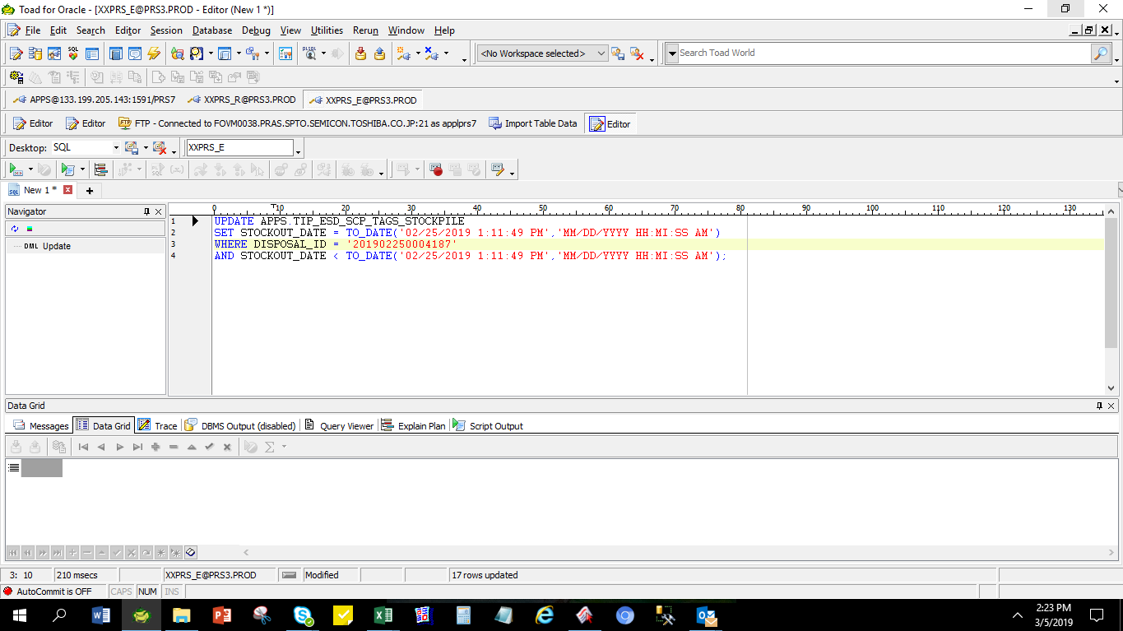

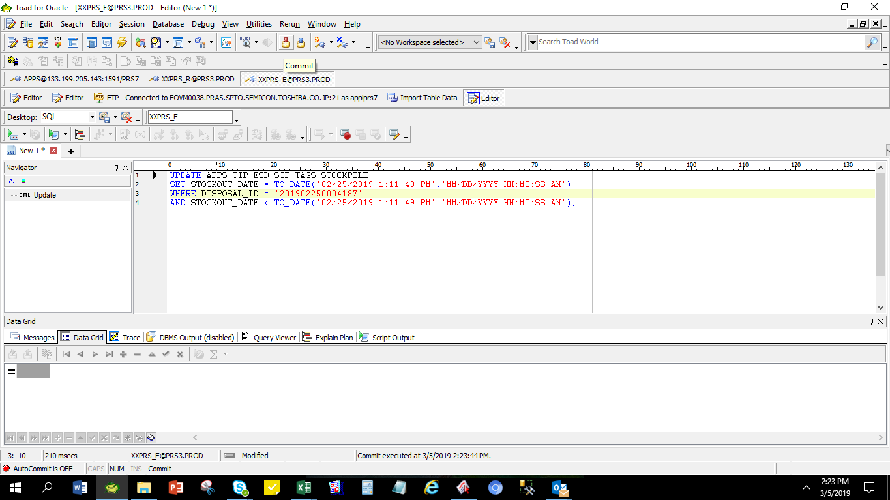

SELECT *
FROM APPS.TIP_ESD_SCP_TAGS_STOCKPILE
WHERE DISPOSAL_ID = '201902250004187'
AND STOCKOUT_DATE = TO_DATE('02/25/2019 1:11:49 PM','MM/DD/YYYY HH:MI:SS AM');

DISPOSAL_ID | ORGANIZATION_ID | TAG_NUMBER | PARTS_CODE | DESCRIPTION | MODEL | DEFECT_TYPE | TRANS_DATE | TRANS_QTY | STOCKIN_BY | STOCKIN_DATE | STOCKOUT_BY | STOCKOUT_DATE | DISPOSE_BY | DISPOSE_DATE | DISPOSAL_FLAG | STATUS
201902250004187 | 125 | T0000008972 | GM9003216020 | Screw/Exp | Phoenix-M3 | Others | 2/23/2019 | 20000 | 10845 | 2/25/2019 1:03:58 PM | 10845 | 2/25/2019 1:11:49 PM |  |  | N | PRINTED
201902250004187 | 125 | T0000008973 | GM9011961010 | Label/Exp | Phoenix-M3 | Erased Character | 2/23/2019 | 9216 | 10845 | 2/25/2019 1:03:58 PM | 10845 | 2/25/2019 1:11:49 PM |  |  | N | PRINTED
201902250004187 | 125 | T0000008974 | GM9029346010 | Label/Exp | Phoenix-M3 | Erased Character | 2/23/2019 | 594 | 10845 | 2/25/2019 1:03:58 PM | 10845 | 2/25/2019 1:11:49 PM |  |  | N | PRINTED
201902250004187 | 125 | T0000008975 | GM9029354010 | Label/Exp | Phoenix-M3 | Erased Character | 2/23/2019 | 964 | 10845 | 2/25/2019 1:03:58 PM | 10845 | 2/25/2019 1:11:49 PM |  |  | N | PRINTED
201902250004187 | 125 | T0000008976 | GM9029522010 | Label/Exp | Phoenix-M5 | Erased Character | 2/23/2019 | 3185 | 10845 | 2/25/2019 1:03:58 PM | 10845 | 2/25/2019 1:11:49 PM |  |  | N | PRINTED
201902250004187 | 125 | T0000008977 | GM9029954010 | Label/Exp | Phoenix-M3 | Erased Character | 2/23/2019 | 169 | 10845 | 2/25/2019 1:03:58 PM | 10845 | 2/25/2019 1:11:49 PM |  |  | N | PRINTED
201902250004187 | 125 | T0000008978 | GM9029955010 | Label/Exp | Phoenix-M3 | Erased Character | 2/23/2019 | 176 | 10845 | 2/25/2019 1:03:58 PM | 10845 | 2/25/2019 1:11:49 PM |  |  | N | PRINTED
201902250004187 | 125 | T0000008979 | GM9030544020 | Label/Exp | Phoenix-M3 | Erased Character | 2/23/2019 | 265 | 10845 | 2/25/2019 1:03:58 PM | 10845 | 2/25/2019 1:11:49 PM |  |  | N | PRINTED
201902250004187 | 125 | T0000008990 | GM9039724010 | Label/Exp | Phoenix-M3 | Rework (Unpacking) | 2/23/2019 | 223 | 10845 | 2/25/2019 1:03:58 PM | 10845 | 2/25/2019 1:11:49 PM |  |  | N | PRINTED
201902250004187 | 125 | T0000008991 | GM9039919010 | Conductivity Bag/Exp | Condor-M3 AIC | Damaged | 2/23/2019 | 48 | 10845 | 2/25/2019 1:03:58 PM | 10845 | 2/25/2019 1:11:49 PM |  |  | N | PRINTED
201902250004187 | 125 | T0000008992 | GM9041500010 | Assy Plate/Exp | Phoenix-M5 | Dent | 2/23/2019 | 45 | 10845 | 2/25/2019 1:03:58 PM | 10845 | 2/25/2019 1:11:49 PM |  |  | N | PRINTED
201902250004187 | 125 | T0000008993 | GM9041500020 | Assy Plate/Exp | Phoenix-M5 | Dent | 2/23/2019 | 44 | 10845 | 2/25/2019 1:03:58 PM | 10845 | 2/25/2019 1:11:49 PM |  |  | N | PRINTED
201902250004187 | 125 | T0000008994 | GM9041501010 | Assy Plate/Exp | Phoenix-M5 | Scratch | 2/23/2019 | 65 | 10845 | 2/25/2019 1:03:58 PM | 10845 | 2/25/2019 1:11:49 PM |  |  | N | PRINTED
201902250004187 | 125 | T0000008995 | GM9041501020 | Assy Plate/Exp | Phoenix-M5 | Scratch | 2/23/2019 | 47 | 10845 | 2/25/2019 1:03:58 PM | 10845 | 2/25/2019 1:11:49 PM |  |  | N | PRINTED
201902250004187 | 125 | T0000008996 | GM9041506010 | Screw/Exp | Phoenix-M5 | Others | 2/23/2019 | 1000 | 10845 | 2/25/2019 1:03:58 PM | 10845 | 2/25/2019 1:11:49 PM |  |  | N | PRINTED
201902250004187 | 125 | T0000008997 | GM9041511010 | Seal Tape/Exp | Phoenix-M5 | Others | 2/23/2019 | 112 | 10845 | 2/25/2019 1:03:58 PM | 10845 | 2/25/2019 1:11:49 PM |  |  | N | PRINTED
201902250004187 | 125 | T0000008998 | GM9041512010 | Label/Exp | Phoenix-M5 | Rework (Unpacking) | 2/23/2019 | 4993 | 10845 | 2/25/2019 1:03:58 PM | 10845 | 2/25/2019 1:11:49 PM |  |  | N | PRINTED
201902250004187 | 125 | T0000008999 | GM9041515010 | TC Sheet/Exp | Phoenix-M5 | Others | 2/23/2019 | 3363 | 10845 | 2/25/2019 1:03:58 PM | 10845 | 2/25/2019 1:11:49 PM |  |  | N | PRINTED
201902250004187 | 125 | T0000009000 | GM9042083010 | Assy Plate/Exp | Condor-M5 AIC | Dent | 2/23/2019 | 10 | 10845 | 2/25/2019 1:03:58 PM | 10845 | 2/25/2019 1:11:49 PM |  |  | N | PRINTED
201902250004187 | 125 | T0000009001 | GM9042087010 | Assy Plate/Exp | Condor-M5 AIC | Dent | 2/23/2019 | 1 | 10845 | 2/25/2019 1:03:58 PM | 10845 | 2/25/2019 1:11:49 PM |  |  | N | PRINTED
201902250004187 | 125 | T0000009002 | GM9M0000L010 | Assy Plate/Exp | Raven-M5 | Dent | 2/23/2019 | 6 | 10845 | 2/25/2019 1:03:58 PM | 10845 | 2/25/2019 1:11:49 PM |  |  | N | PRINTED
201902250004187 | 125 | T0000009003 | GM9S0001S010 | Conductivity Bag/Exp | Phoenix-M4 | Rework (Unpacking) | 2/23/2019 | 1983 | 10845 | 2/25/2019 1:03:58 PM | 10845 | 2/25/2019 1:11:49 PM |  |  | N | PRINTED
201902250004187 | 125 | T0000009004 | A5A004248030 | PCB/Exp | Phoenix-M4 | PCB Repair NG | 2/23/2019 | 203 | 10845 | 2/25/2019 1:03:58 PM | 10845 | 2/25/2019 1:11:49 PM |  |  | N | PRINTED
201902250004187 | 125 | T0000009005 | A5A004248210 | PCB/Exp | Phoenix-M4 | PCB Repair NG | 2/23/2019 | 7 | 10845 | 2/25/2019 1:03:58 PM | 10845 | 2/25/2019 1:11:49 PM |  |  | N | PRINTED
201902250004187 | 125 | T0000009006 | A5A004248410 | PCB/Exp | Phoenix-M4 | PCB Repair NG | 2/23/2019 | 76 | 10845 | 2/25/2019 1:03:58 PM | 10845 | 2/25/2019 1:11:49 PM |  |  | N | PRINTED
201902250004187 | 125 | T0000009007 | A5A004248610 | PCB/Exp | Phoenix-M4 | PCB Repair NG | 2/23/2019 | 10 | 10845 | 2/25/2019 1:03:58 PM | 10845 | 2/25/2019 1:11:49 PM |  |  | N | PRINTED
201902250004187 | 125 | T0000009008 | A5A004249030 | PCB/Exp | Phoenix-M4 | PCB Repair NG | 2/23/2019 | 203 | 10845 | 2/25/2019 1:03:58 PM | 10845 | 2/25/2019 1:11:49 PM |  |  | N | PRINTED
201902250004187 | 125 | T0000009009 | A5A004249210 | PCB/Exp | Phoenix-M4 | PCB Repair NG | 2/23/2019 | 7 | 10845 | 2/25/2019 1:03:58 PM | 10845 | 2/25/2019 1:11:49 PM |  |  | N | PRINTED
201902250004187 | 125 | T0000009010 | A5A004249410 | PCB/Exp | Phoenix-M4 | PCB Repair NG | 2/23/2019 | 76 | 10845 | 2/25/2019 1:03:58 PM | 10845 | 2/25/2019 1:11:49 PM |  |  | N | PRINTED
201902250004187 | 125 | T0000009011 | A5A004249610 | PCB/Exp | Phoenix-M4 | PCB Repair NG | 2/23/2019 | 10 | 10845 | 2/25/2019 1:03:58 PM | 10845 | 2/25/2019 1:11:49 PM |  |  | N | PRINTED
201902250004187 | 125 | T0000009012 | A5A004250030 | PCB/Exp | Phoenix-M4 | PCB Repair NG | 2/23/2019 | 22 | 10845 | 2/25/2019 1:03:58 PM | 10845 | 2/25/2019 1:11:49 PM |  |  | N | PRINTED
201902250004187 | 125 | T0000009013 | A5A004250110 | PCB/Exp | Phoenix-M4 | PCB Repair NG | 2/23/2019 | 47 | 10845 | 2/25/2019 1:03:58 PM | 10845 | 2/25/2019 1:11:49 PM |  |  | N | PRINTED
201902250004187 | 125 | T0000009014 | A5A004250410 | PCB/Exp | Phoenix-M4 | PCB Repair NG | 2/23/2019 | 42 | 10845 | 2/25/2019 1:03:58 PM | 10845 | 2/25/2019 1:11:49 PM |  |  | N | PRINTED
201902250004187 | 125 | T0000009015 | A5A004250610 | PCB/Exp | Phoenix-M4 | PCB Repair NG | 2/23/2019 | 29 | 10845 | 2/25/2019 1:03:58 PM | 10845 | 2/25/2019 1:11:49 PM |  |  | N | PRINTED
201902250004187 | 125 | T0000009016 | A5A004373210 | PCB/Exp | Phoenix-M5 | PCB Repair NG | 2/23/2019 | 3 | 10845 | 2/25/2019 1:03:58 PM | 10845 | 2/25/2019 1:11:49 PM |  |  | N | PRINTED
201902250004187 | 125 | T0000009017 | A5A004373310 | PCB/Exp | Phoenix-M5 | PCB Repair NG | 2/23/2019 | 2 | 10845 | 2/25/2019 1:03:58 PM | 10845 | 2/25/2019 1:11:49 PM |  |  | N | PRINTED
201902250004187 | 125 | T0000009018 | A5A0043733N0 | PCB/Exp | Phoenix-M5 | PCB Repair NG | 2/23/2019 | 3 | 10845 | 2/25/2019 1:03:58 PM | 10845 | 2/25/2019 1:11:49 PM |  |  | N | PRINTED
201902250004187 | 125 | T0000009019 | A5A004373410 | PCB/Exp | Phoenix-M5 | PCB Repair NG | 2/23/2019 | 7 | 10845 | 2/25/2019 1:03:58 PM | 10845 | 2/25/2019 1:11:49 PM |  |  | N | PRINTED
201902250004187 | 125 | T0000009020 | A5A0043737F0 | PCB/Exp | Phoenix-M5 | PCB Repair NG | 2/23/2019 | 1 | 10845 | 2/25/2019 1:03:58 PM | 10845 | 2/25/2019 1:11:49 PM |  |  | N | PRINTED
201902250004187 | 125 | T0000009021 | A5A004385110 | PCB/Exp | Phoenix-M5 | PCB Repair NG | 2/23/2019 | 5 | 10845 | 2/25/2019 1:03:58 PM | 10845 | 2/25/2019 1:11:49 PM |  |  | N | PRINTED
201902250004187 | 125 | T0000009022 | A5A0043855F0 | PCB/Exp | Phoenix-M5 | PCB Repair NG | 2/23/2019 | 3 | 10845 | 2/25/2019 1:03:58 PM | 10845 | 2/25/2019 1:11:49 PM |  |  | N | PRINTED
201902250004187 | 125 | T0000009023 | A5A0043857F0 | PCB/Exp | Phoenix-M5 | PCB Repair NG | 2/23/2019 | 2 | 10845 | 2/25/2019 1:03:58 PM | 10845 | 2/25/2019 1:11:49 PM |  |  | N | PRINTED
201902250004187 | 125 | T0000009024 | A5A004386020 | PCB/Exp | Phoenix-M5 | PCB Repair NG | 2/23/2019 | 4 | 10845 | 2/25/2019 1:03:58 PM | 10845 | 2/25/2019 1:11:49 PM |  |  | N | PRINTED
201902250004187 | 125 | T0000009025 | A5A0043860J0 | PCB/Exp | Phoenix-M5 | PCB Repair NG | 2/23/2019 | 3 | 10845 | 2/25/2019 1:03:58 PM | 10845 | 2/25/2019 1:11:49 PM |  |  | N | PRINTED
201902250004187 | 125 | T0000009026 | A5A004386110 | PCB/Exp | Phoenix-M5 | PCB Repair NG | 2/23/2019 | 2 | 10845 | 2/25/2019 1:03:58 PM | 10845 | 2/25/2019 1:11:49 PM |  |  | N | PRINTED

